Sheet1
Bug ID | Testcase ID | Module | Summary | Test step | Test Data | Expected Result | Actual Result | Status | Severity | Priority | Reported By | Assigned To | Attachment
BUG_CART_1 | TMCart_2 | Home Page | Verify that Home page should display all the fields,text,images and options | 1.Open the browser 2.Enter the URL | URL = https://ecom.gotechmasters.com/ | Home page should display the following fields and options; 1.Tech Masters logo 2.Search bar with ‘All Categories’ drop-down option 3.‘Compare’ , ‘Wishlist’ , ‘Cart’ , and an ‘Account’ option 4.‘Browse All Categories’ Drop-down 5.Home, Shop, Stores, Product, Blog, FAQ and Contact Menus 6.Contact Number as 9846422221 with an icon 7. Top categories with images under “Top Categories” text heading 8. Popular products under “Popular Products” text heading 9.Product image with discount percent , Product name, Rating, Vendor name, Price and Add to Cart button in each product in “Popular Products” 10. Products in “Top Selling” , “Trending Products”, and “Recently Added” with Product name ,Price and Image 11.Company Name with Logo and “Address:” , “Call Us:” , “Email:” , “Working Hours:” | Add button instead of Add to cart and Address is not correct | New/open | low | low |  |  | 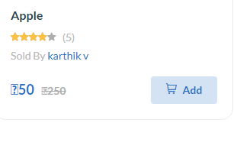
BUG_CART_2 | TMCart_3 | Home Page | Verify that at the bottom of Home page should display "Company", ”Categories” and ”Information” text headings and corresponding subheadings below them. | 1.Open the browser 2.Enter the URL 3.Scroll down to the bottom of Home page | URL = https://ecom.gotechmasters.com/ | At the bottom of Home page should display the following texts; 1.“Company” text heading a.About us b.Affiliate c.Career d.Contact us 2.”Categories” text heading a.Men b.Women c.Denim d.Dress 3.”Information” text heading a.Contact Us b.About Us c.Cookie Policy d.Terms & Conditions e.Returns & Exchanges f.Shipping & Delivery g.Privacy Policy | Under Categories Heading only women and Denim Sudheadings are displayed | New/open | Medium | Medium |  |  | 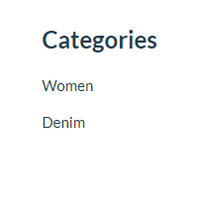
BUG_CART_3 | TMCart_5 | Home Page | Verify that the drop-down near to Search field should display all the Categories. | 1.Open the browser 2.Enter the URL 3.Click on the All Categories drop-down | URL = https://ecom.gotechmasters.com/ | The drop-down near to Search field should display all the following Categories. 1.Clothing and Beauty 2.Fresh fruit 3.Vegetables 4.Electronics | 1) Below mentioned Categories are displayed which does not belong in the All Categories drop down A)Fashion B)Apple C).Mobile | New/open | low | low |  |  | 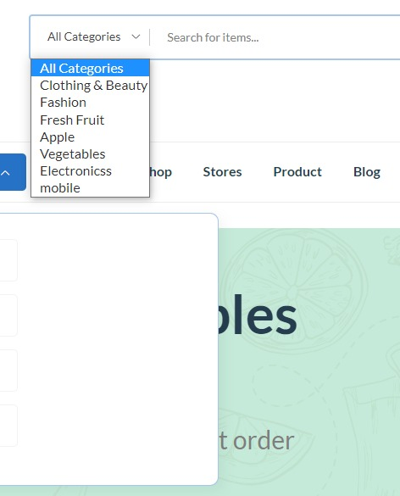
BUG_CART_4 | TMCart_10 | Home Page | Verify that customer should be able to view the list of all products based on Auto suggestion | 1.Open the browser 2.Enter the URL 3.Type any letter of Product's name in search bar | URL = https://ecom.gotechmasters.com/ | Customer should be able to view the list of all products based on Auto suggestion | Auto suggestion is not working | New/open | high | high |  |  | 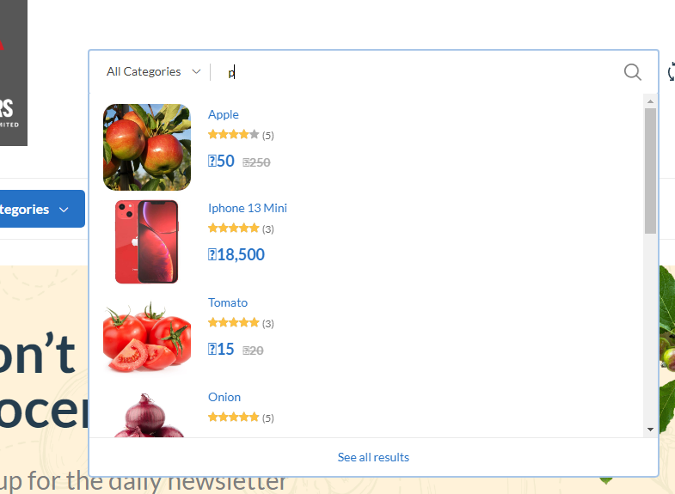
BUG_CART_5 | TMCart_18 | Home Page | Verify that the ‘Browse All Categories’ drop-down should display all the categories. | 1.Open the browser 2.Enter the URL 3.Click on ‘Browse All Categories’ drop-down | URL = https://ecom.gotechmasters.com/ | The ‘Browse All Categories’ drop-down should display all the following categories: 1.Clothing and beauty 2.Fresh fruit 3.Vegetables 4.Electronics | Spelling mistake in categories(Electronicss is displayed) | New/open | low | low |  |  | 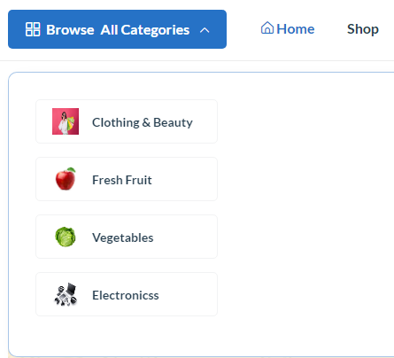
BUG_CART_6 | TMCart_49 | Home Page | Verify that the Company Logo ,Name and Details should be displayed in the bottom of the Home Page. | 1.Open the browser 2.Enter the URL 3.Scroll down to the bottom of Home page | URL = https://ecom.gotechmasters.com/ | The following Company Logo ,Name and Details should be displayed in the bottom of the Home Page. Company Name:Techmasters Software Services Private Limited Company Details; Address: Techmasters Software Services Private Limited Second Floor, Mullackal Medicals building (Landmark: Opposite to Canara Bank) Pattoor-Vanchiyoor Road, Trivandrum Kerala-India. Call Us: 9846422221 Email: operations@gotechmasters.com Working Hours: 10:00 - 18:00, Mon - Fri | Address: Torc Infotech PVT LTD, Chandrathil Tower, Kalamassery Call Us: 9895065829 Email: info@torcinfotech.com Working Hours: 10:00 - 18:00, Mon - Sat is displayed | New/open | high | High |  |  | 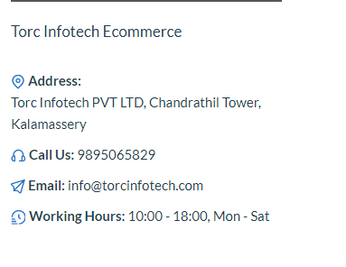
BUG_CART_7 | TMCart_57 | Login Page | Verify that the proper message should be displayed when 'domain' not entered in the Email field | 1. Open the browser. 2. Enter the URL. 3. Select the Login option by mouse hovering at 'Account' 4. Enter the email without Domain 5. Click Login button | 1. URL: https://ecom.gotechmasters.com 2. Email = abcdef@.com | Proper message should be displayed when 'domain' not entered in the Email field | Proper message not displayed when domain not entered in Email field | New/open | Medium | Medium |  |  | 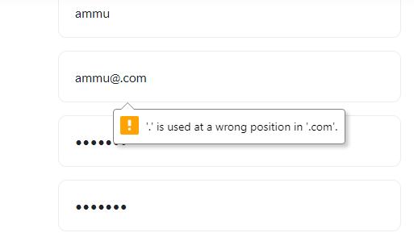
BUG_CART_8 | TMCart_58 | Login Page | Verify that proper message should be displayed when 'dot' (.) not entered in the Email field | 1. Open the browser. 2. Enter the URL. 3. Select the Login option by mouse hovering at 'Account' 4. Enter the email without Dot 5. Click Login button | 1. URL: https://ecom.gotechmasters.com 2. Email = abcde@gmailcom | Proper message should be displayed when 'dot' (.) not entered in the Email field | Proper message not displayed when dot not entered in email field | New/open | Medium | Medium |  |  | 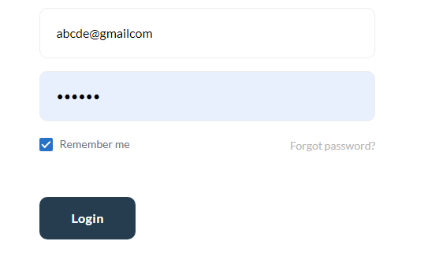
BUG_CART_9 | TMCart_70 | Login Page | Verify that the 'Remember me' option should be working | 1. Open the browser 2. Enter the URL 3. Select the Login option by mouse hovering at 'Account'. 4. Enter Valid Email 5. Enter Valid Password 6. Select the 'Remember me' checkbox. 7. Click Login button. 8. Select Sign out from the drop down options. 9.Mouse hover at Account option 10. Select the Login option by mouse hovering at 'Account'. 11.Verify that Username and Password are entered automatically | 1. URL: https://ecom.gotechmasters.com 2. Email: abcde@gmail.com 3. Password:123456 | The 'Remember me' option should be working | The 'Remember me'option is not working | New/open | low | low
BUG_CART_10 | TMCart_78 | Login Page | Verify that the proper message should be displayed when domain not entered in the Email Address field | 1. Open the browser 2. Enter the URL 3. Select the Login option by mouse hovering at 'Account'. 4. Select the 'Forgot Password' hyperlink. 5. Enter the email without domain 6. Click 'Send Password Reset Link' button. | 1. URL: https://ecom.gotechmasters.com 2.Email = abcde@.com | Proper message should be displayed when domain not entered in the Email Address field | Proper message is not displayed | New/open | Medium | Medium
BUG_CART_11 | TMCart_79 | Login Page | Verify that the proper message should be displayed when 'dot' (.) not entered in the Email Address field | 1. Open the browser 2. Enter the URL 3. Select the Login option by mouse hovering at 'Account'. 4. Select the 'Forgot Password' hyperlink. 5. Enter the email without Dot 6. Click 'Send Password Reset Link' button. | 1. URL: https://ecom.gotechmasters.com 2. Email = abcde@gmailcom | Proper message should be displayed when 'dot' (.) not entered in the Email Address field | Proper Message is not displayed | Fail | Medium | Medium |  |  | 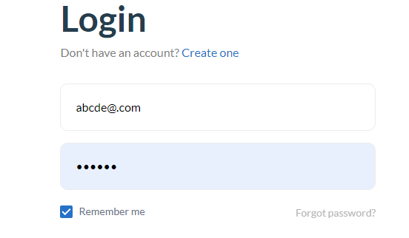
BUG_CART_12 | TMCart_98 | Login Page | Verify that proper message should be displayed after Successfully resetting the password | 1. Open the browser 2. Enter the URL 3. Select the Login option by mouse hovering at 'Account'. 4. Select the 'Forgot Password' hyperlink. 5. Enter valid registered email id in the 'Email Address' field in Reset password page. 6. Click 'Send Password Reset Link'. 7. Click Reset Password Link received in Email 8. Enter registered email 9. Enter New Password 10. Enter Password Confirmation 11. Click Submit Button | 1. URL: https://ecom.gotechmasters.com 2. Email : abcde@gmail.com 3.Email on the page displayed through Reset Password link=abcde@gmail.com 4. New Password:Test@124 5. Password Confirmation: Test@124 | Proper message should be displayed after Successfully resetting the password | Proper message is not displayed after resetting the password | New/open | Medium | Medium |  |  | 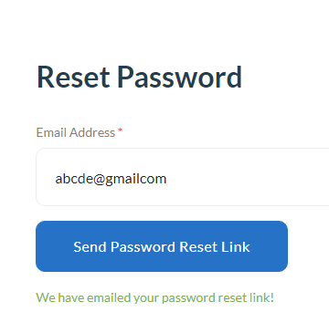 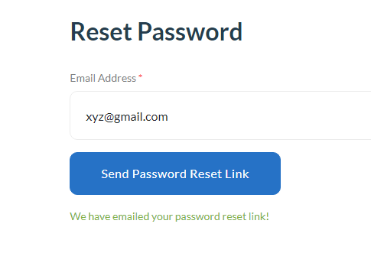
BUG_CART_13 | TMCart_118 | Product Page | Verify that wishlist icon should be highlighted after product is added to the wishlist | 1. Open the Browser 2. Enter the URL 3. Mouse hover on Account Option 4. Click Login Option 5. Enter Email ID on Email field 6. Enter Password on 'Your Password' field 7. Click Login Button 8. Click on Product Option 9. Choose a product 10. Click Wishlist icon | URL: ecom.gotechmasters.com Email: abcde@gmail.com Password: 123456 | Wishlist icon should be highlighted after product is added to the wishlist | Wishlist icon is not highlighted after product is added to the wishlist | New/open | low | low |  |  | 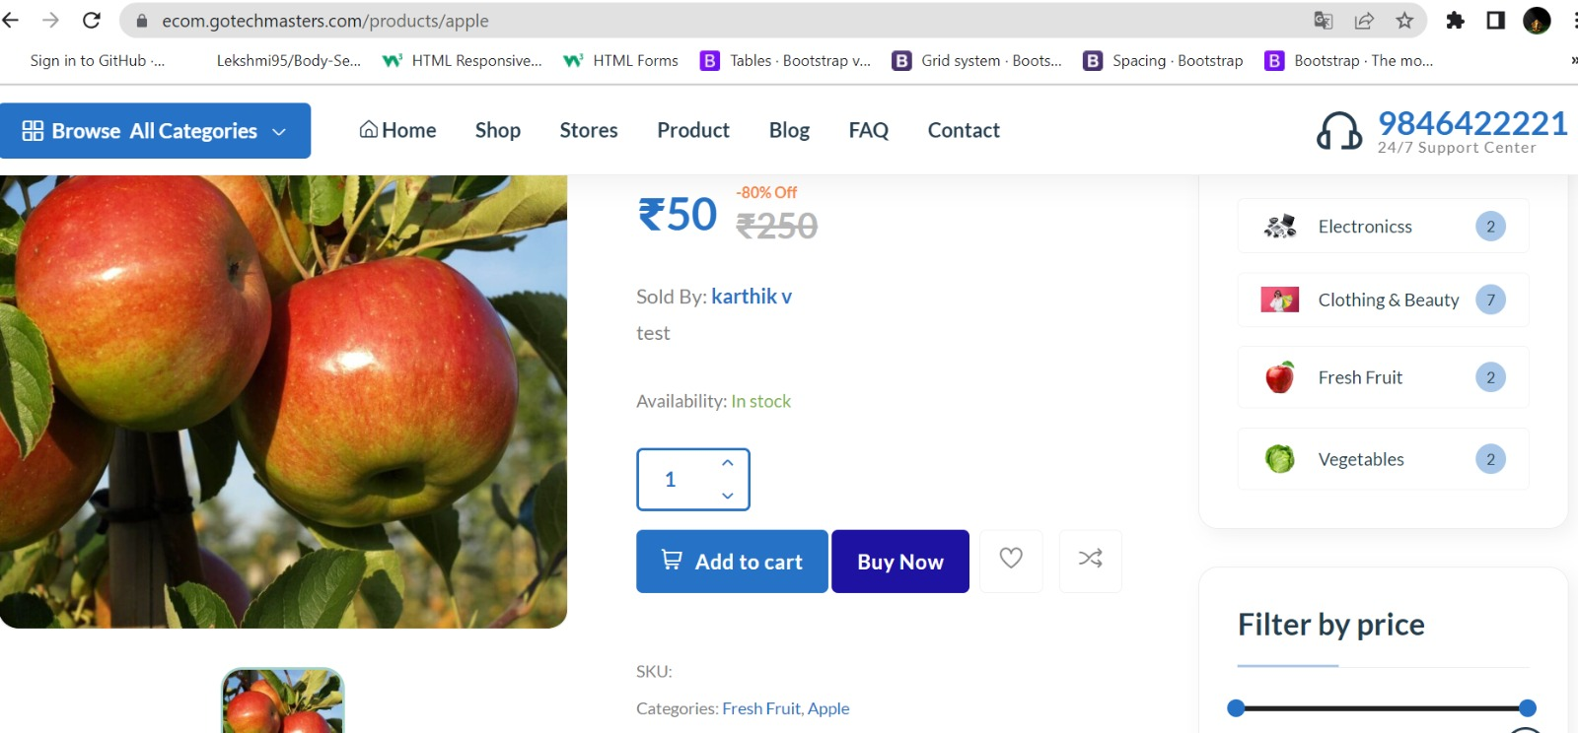
BUG_CART_14 | TMCart_136 | Product Page | Verify that upload photos field should not accept document files | 1. Open the Browser 2. Enter the URL 3. Hover on Account Option 4. Click Login Option 5. Enter Email ID on Email field 6. Enter Password on 'Your Password' field 7. Click Login Button 8. Click on Product Option 9. Choose a product 10. Click Review option 11. Click Upload photos option 12. Choose doc file(Word,Excel) | URL: ecom.gotechmasters.com Email: abcde@gmail.com Password: 123456 | Upload photos field should not accept document files | Upload photo fields accept document files | New/open | Medium | Medium |  |  | 